TOTAL
Alkalmazott szűrők: TRANSPORT_MODE egyezik ezzel: Sea Reference type egyezik ezzel: Highlighted references only „QUERY_List_Carrier_name_EDIQ_Act”[LSP] egyezik ezzel: Maersk Date ekkori vagy későbbi a következőnél: 2026.04.27. 0:00:00 és dátuma korábbi, mint 2026.05.04. 0:00:00 SHIPMENT_CANCELLED egyezik ezzel: (Üres) Previous and next 1 year egyezik ezzel: Y KPI_Category nem egyezik ezzel: Mapping
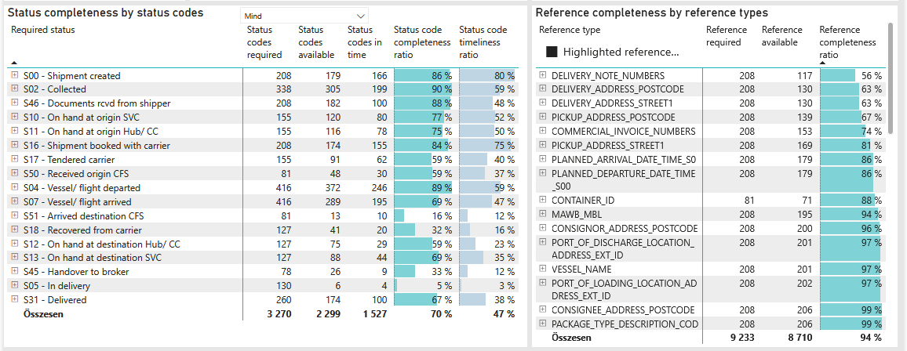
Required status | Status type | „QUERY_List_Carrier_EDIQ_Act”[LSP] | Status codes required | Status codes available | Status codes in time | Status code completeness ratio | Status code timeliness ratio
S00 - Shipment created | Actual | Maersk | 208 | 179 | 166 | 86 % | 80 %
S02 - Collected | Estimated | Maersk | 169 | 164 | 133 | 97 % | 79 %
S02 - Collected | Actual | Maersk | 169 | 141 | 66 | 83 % | 39 %
S46 - Documents rcvd from shipper | Actual | Maersk | 208 | 182 | 100 | 88 % | 48 %
S10 - On hand at origin SVC | Actual | Maersk | 155 | 120 | 80 | 77 % | 52 %
S11 - On hand at origin Hub/ CC | Actual | Maersk | 155 | 116 | 78 | 75 % | 50 %
S16 - Shipment booked with carrier | Actual | Maersk | 208 | 174 | 155 | 84 % | 75 %
S17 - Tendered carrier | Actual | Maersk | 155 | 91 | 62 | 59 % | 40 %
S50 - Received origin CFS | Actual | Maersk | 81 | 48 | 30 | 59 % | 37 %
S04 - Vessel/ flight departed | Estimated | Maersk | 208 | 200 | 159 | 96 % | 76 %
S04 - Vessel/ flight departed | Actual | Maersk | 208 | 172 | 87 | 83 % | 42 %
S07 - Vessel/ flight arrived | Estimated | Maersk | 208 | 199 | 130 | 96 % | 63 %
S07 - Vessel/ flight arrived | Actual | Maersk | 208 | 90 | 65 | 43 % | 31 %
S51 - Arrived destination CFS | Actual | Maersk | 81 | 13 | 10 | 16 % | 12 %
S18 - Recovered from carrier | Actual | Maersk | 127 | 41 | 20 | 32 % | 16 %
S12 - On hand at destination Hub/ CC | Actual | Maersk | 127 | 75 | 29 | 59 % | 23 %
S13 - On hand at destination SVC | Actual | Maersk | 127 | 88 | 44 | 69 % | 35 %
S45 - Handover to broker | Actual | Maersk | 78 | 26 | 9 | 33 % | 12 %
S05 - In delivery | Actual | Maersk | 130 | 6 | 4 | 5 % | 3 %
S31 - Delivered | Estimated | Maersk | 130 | 126 | 96 | 97 % | 74 %
S31 - Delivered | Actual | Maersk | 130 | 48 | 4 | 37 % | 3 %

FCL
Alkalmazott szűrők: TRANSPORT_MODE egyezik ezzel: Sea TRANSPORT_SERVICE_PRIORITY egyezik ezzel: FCL/FCL/FCL Reference type egyezik ezzel: Highlighted references only „QUERY_List_Carrier_name_EDIQ_Act”[LSP] egyezik ezzel: Maersk Date ekkori vagy későbbi a következőnél: 2026.04.27. 0:00:00 és dátuma korábbi, mint 2026.05.04. 0:00:00 SHIPMENT_CANCELLED egyezik ezzel: (Üres) Previous and next 1 year egyezik ezzel: Y KPI_Category nem egyezik ezzel: Mapping

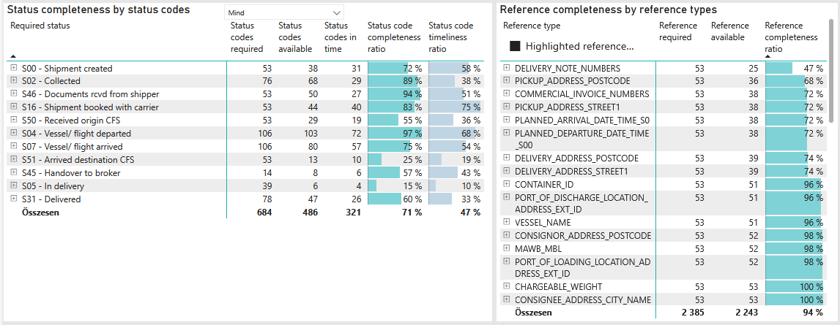
Required status | Status type | „QUERY_List_Carrier_EDIQ_Act”[LSP] | Status codes required | Status codes available | Status codes in time | Status code completeness ratio | Status code timeliness ratio
S00 - Shipment created | Actual | Maersk | 53 | 38 | 31 | 72 % | 58 %
S02 - Collected | Estimated | Maersk | 38 | 37 | 18 | 97 % | 47 %
S02 - Collected | Actual | Maersk | 38 | 31 | 11 | 82 % | 29 %
S46 - Documents rcvd from shipper | Actual | Maersk | 53 | 50 | 27 | 94 % | 51 %
S16 - Shipment booked with carrier | Actual | Maersk | 53 | 44 | 40 | 83 % | 75 %
S50 - Received origin CFS | Actual | Maersk | 53 | 29 | 19 | 55 % | 36 %
S04 - Vessel/ flight departed | Estimated | Maersk | 53 | 52 | 43 | 98 % | 81 %
S04 - Vessel/ flight departed | Actual | Maersk | 53 | 51 | 29 | 96 % | 55 %
S07 - Vessel/ flight arrived | Estimated | Maersk | 53 | 51 | 36 | 96 % | 68 %
S07 - Vessel/ flight arrived | Actual | Maersk | 53 | 29 | 21 | 55 % | 40 %
S51 - Arrived destination CFS | Actual | Maersk | 53 | 13 | 10 | 25 % | 19 %
S45 - Handover to broker | Actual | Maersk | 14 | 8 | 6 | 57 % | 43 %
S05 - In delivery | Actual | Maersk | 39 | 6 | 4 | 15 % | 10 %
S31 - Delivered | Estimated | Maersk | 39 | 35 | 26 | 90 % | 67 %
S31 - Delivered | Actual | Maersk | 39 | 12 | 0 | 31 % | 0 %

LCL
Alkalmazott szűrők: TRANSPORT_MODE egyezik ezzel: Sea TRANSPORT_SERVICE_PRIORITY egyezik ezzel: LCL/LCL/LCL Reference type egyezik ezzel: Highlighted references only „QUERY_List_Carrier_name_EDIQ_Act”[LSP] egyezik ezzel: Maersk Date ekkori vagy későbbi a következőnél: 2026.04.27. 0:00:00 és dátuma korábbi, mint 2026.05.04. 0:00:00 SHIPMENT_CANCELLED egyezik ezzel: (Üres) Previous and next 1 year egyezik ezzel: Y KPI_Category nem egyezik ezzel: Mapping
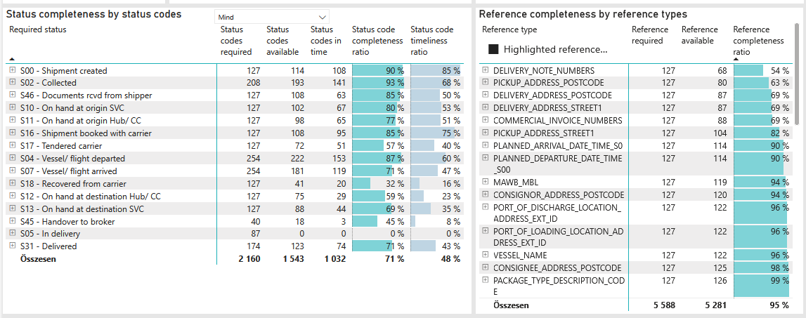
Required status | Status type | „QUERY_List_Carrier_EDIQ_Act”[LSP] | Status codes required | Status codes available | Status codes in time | Status code completeness ratio | Status code timeliness ratio
S00 - Shipment created | Actual | Maersk | 127 | 114 | 108 | 90 % | 85 %
S02 - Collected | Estimated | Maersk | 104 | 101 | 89 | 97 % | 86 %
S02 - Collected | Actual | Maersk | 104 | 92 | 52 | 88 % | 50 %
S46 - Documents rcvd from shipper | Actual | Maersk | 127 | 108 | 63 | 85 % | 50 %
S10 - On hand at origin SVC | Actual | Maersk | 127 | 102 | 67 | 80 % | 53 %
S11 - On hand at origin Hub/ CC | Actual | Maersk | 127 | 98 | 65 | 77 % | 51 %
S16 - Shipment booked with carrier | Actual | Maersk | 127 | 108 | 95 | 85 % | 75 %
S17 - Tendered carrier | Actual | Maersk | 127 | 72 | 51 | 57 % | 40 %
S04 - Vessel/ flight departed | Estimated | Maersk | 127 | 120 | 95 | 94 % | 75 %
S04 - Vessel/ flight departed | Actual | Maersk | 127 | 102 | 58 | 80 % | 46 %
S07 - Vessel/ flight arrived | Estimated | Maersk | 127 | 120 | 75 | 94 % | 59 %
S07 - Vessel/ flight arrived | Actual | Maersk | 127 | 61 | 44 | 48 % | 35 %
S18 - Recovered from carrier | Actual | Maersk | 127 | 41 | 20 | 32 % | 16 %
S12 - On hand at destination Hub/ CC | Actual | Maersk | 127 | 75 | 29 | 59 % | 23 %
S13 - On hand at destination SVC | Actual | Maersk | 127 | 88 | 44 | 69 % | 35 %
S45 - Handover to broker | Actual | Maersk | 40 | 18 | 3 | 45 % | 8 %
S05 - In delivery | Actual | Maersk | 87 | 0 | 0 | 0 % | 0 %
S31 - Delivered | Estimated | Maersk | 87 | 87 | 70 | 100 % | 80 %
S31 - Delivered | Actual | Maersk | 87 | 36 | 4 | 41 % | 5 %

BCO
Alkalmazott szűrők: TRANSPORT_MODE egyezik ezzel: Sea TRANSPORT_SERVICE_PRIORITY egyezik ezzel: LCL/FCL/FCL Reference type egyezik ezzel: Highlighted references only „QUERY_List_Carrier_name_EDIQ_Act”[LSP] egyezik ezzel: Maersk Date ekkori vagy későbbi a következőnél: 2026.04.27. 0:00:00 és dátuma korábbi, mint 2026.05.04. 0:00:00 SHIPMENT_CANCELLED egyezik ezzel: (Üres) Previous and next 1 year egyezik ezzel: Y KPI_Category nem egyezik ezzel: Mapping

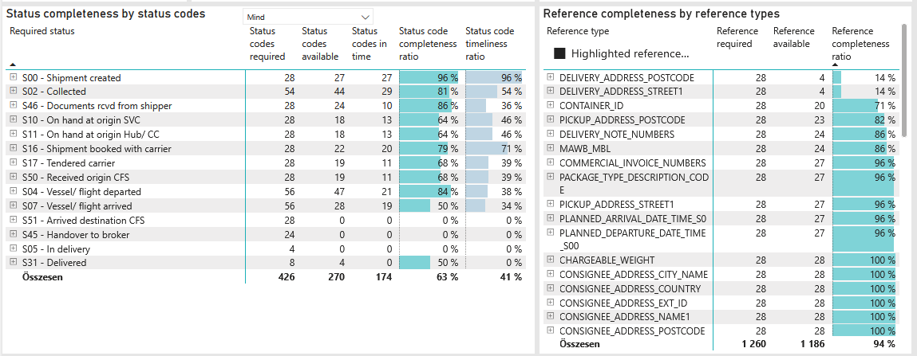
Required status | Status type | „QUERY_List_Carrier_EDIQ_Act”[LSP] | Status codes required | Status codes available | Status codes in time | Status code completeness ratio | Status code timeliness ratio
S00 - Shipment created | Actual | Maersk | 28 | 27 | 27 | 96 % | 96 %
S02 - Collected | Estimated | Maersk | 27 | 26 | 26 | 96 % | 96 %
S02 - Collected | Actual | Maersk | 27 | 18 | 3 | 67 % | 11 %
S46 - Documents rcvd from shipper | Actual | Maersk | 28 | 24 | 10 | 86 % | 36 %
S10 - On hand at origin SVC | Actual | Maersk | 28 | 18 | 13 | 64 % | 46 %
S11 - On hand at origin Hub/ CC | Actual | Maersk | 28 | 18 | 13 | 64 % | 46 %
S16 - Shipment booked with carrier | Actual | Maersk | 28 | 22 | 20 | 79 % | 71 %
S17 - Tendered carrier | Actual | Maersk | 28 | 19 | 11 | 68 % | 39 %
S50 - Received origin CFS | Actual | Maersk | 28 | 19 | 11 | 68 % | 39 %
S04 - Vessel/ flight departed | Estimated | Maersk | 28 | 28 | 21 | 100 % | 75 %
S04 - Vessel/ flight departed | Actual | Maersk | 28 | 19 | 0 | 68 % | 0 %
S07 - Vessel/ flight arrived | Estimated | Maersk | 28 | 28 | 19 | 100 % | 68 %
S07 - Vessel/ flight arrived | Actual | Maersk | 28 | 0 | 0 | 0 % | 0 %
S51 - Arrived destination CFS | Actual | Maersk | 28 | 0 | 0 | 0 % | 0 %
S45 - Handover to broker | Actual | Maersk | 24 | 0 | 0 | 0 % | 0 %
S05 - In delivery | Actual | Maersk | 4 | 0 | 0 | 0 % | 0 %
S31 - Delivered | Estimated | Maersk | 4 | 4 | 0 | 100 % | 0 %
S31 - Delivered | Actual | Maersk | 4 | 0 | 0 | 0 % | 0 %

*not correct data

